2025
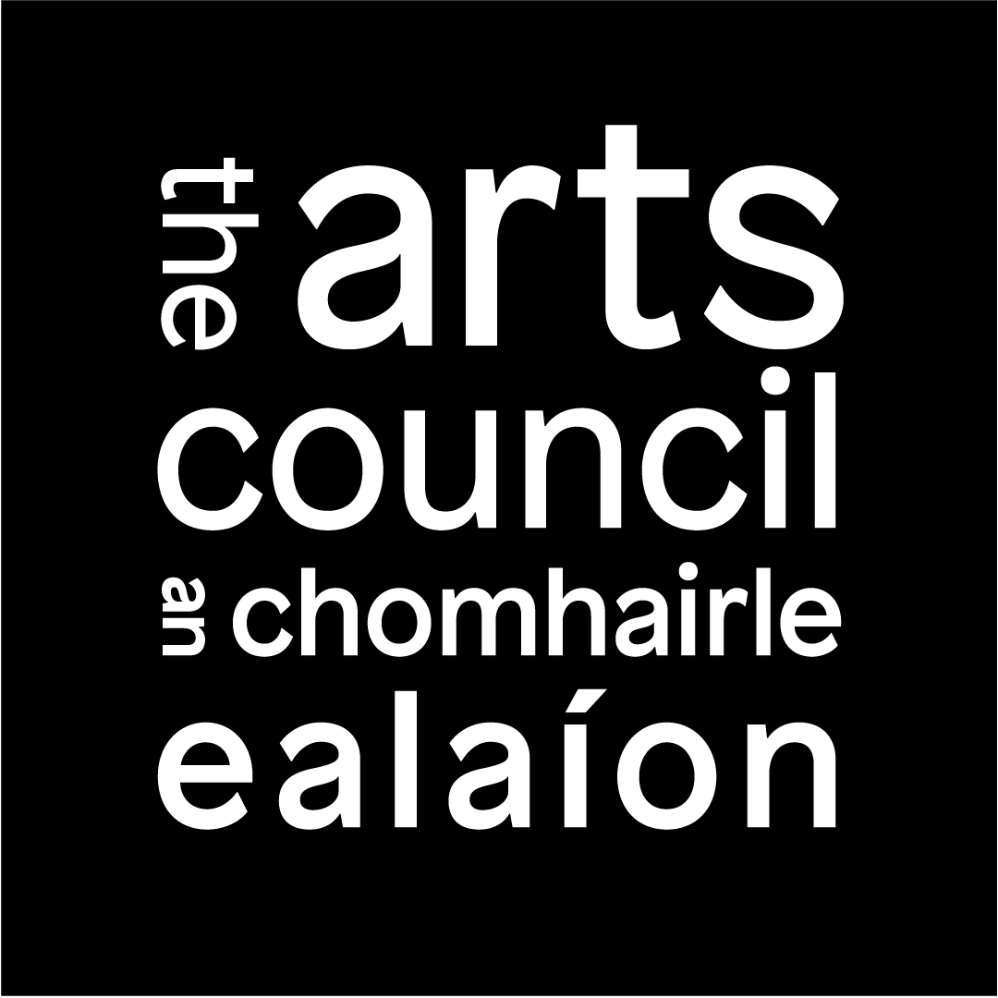 | Arts Grant Funding 2025 Publications and Journals Budget Template

 | Organisation
 | ARN

INSTRUCTIONS
- Fill in white cells only.
- Fill in only those cells that are relevant to your proposal.
- DO NOT fill in yellow highlighted cells; they are sums, and will fill in automatically.
- Feel free to explain budgets in more detail in your supporting material if you need to.
- If you make a mistake in a number cell, enter '0' rather than 'Delete', otherwise a sum may be deleted accidentally.

TITLE 1
Title of book or journal
Author (where appropriate)

EXPENDITURE relating to this title |  |  | INCOME relating to this title
Advances and fees to writers/contributors |  | €- | From estimated sales to end 2025
Editorial |  | €- | From other sources (non-sales)
Translation |  | €- | TOTAL INCOME for this title | €-
Typesetting and design |  | €-
Illustration |  | €-
Proofreading |  | €-
Rights |  | €- | Production details
Printing and/or digitisation |  | €- | Estimated unit sales in 2025 | 0
Distribution |  | €- | Word count (approx.) | 0
Royalties |  | €- | Number of pages (approx.) | 0
Promotion/marketing/advertising |  | €- | Cover price (estimated) | €-
Related administation costs |  | €- | Print run (estimated) | 0
Other (please specify) |  | €-
Total expenditure for this title |  | €-

Amount requested from Arts Council (this title) |  | €-

TITLE 2
Title of book or journal
Author (where appropriate)

EXPENDITURE relating to this title |  |  | INCOME relating to this title
Advances and fees to writers/contributors |  | €- | From estimated sales to end 2025 | €-
Editorial |  | €- | From other sources (non-sales) | €-
Translation |  | €- | TOTAL INCOME for this title | €-
Typesetting and design |  | €-
Illustration |  | €-
Proofreading |  | €-
Rights |  | €- | Production details
Printing and/or digitisation |  | €- | Estimated unit sales in 2025 | 0
Distribution |  | €- | Word count (approx.) | 0
Royalties |  |  | Number of pages (approx.) | 0
Promotion/marketing/advertising |  | €- | Cover price (estimated) | €-
Related administration costs |  | €- | Print run (estimated) | 0
Other (please specify) |  | €-
Total expenditure for this title |  | €-

Amount requested from Arts Council (this title) |  | €-

TITLE 3
Title of book or journal
Author (where appropriate)

EXPENDITURE relating to this title |  |  | INCOME relating to this title
Advances and fees to writers/contributors |  | €- | From estimated sales to end 2025 | €-
Editorial |  | €- | From other sources (non-sales) | €-
Translation |  | €- | TOTAL INCOME for this title | €-
Typesetting and design |  | €-
Illustration |  | €-
Proofreading |  | €-
Rights |  | €- | Production details
Printing and/or digitisation |  | €- | Estimated unit sales in 2025 | 0
Distribution |  | €- | Word count (approx.) | 0
Royalties |  | €- | Number of pages (approx.) | 0
Promotion/marketing/advertising |  | €- | Cover price (estimated) | €-
Related administration costs |  | €- | Print run (estimated) | 0
Other (please specify) |  | €-
Total expenditure for this title |  | €-

Amount requested from Arts Council (this title) |  | €-

TITLE 4
Title of book or journal
Author (where appropriate)

EXPENDITURE relating to this title |  |  | INCOME relating to this title
Advances and fees to writers/contributors |  | €- | From estimated sales to end 2025 | €-
Editorial |  | €- | From other sources (non-sales) | €-
Translation |  | €- | TOTAL INCOME for this title | €-
Typesetting and design |  | €-
Illustration |  | €-
Proofreading |  | €-
Rights |  | €- | Production details
Printing and/or digitisation |  | €- | Estimated unit sales in 2025 | 0
Distribution |  | €- | Word count (approx.) | 0
Royalties |  | €- | Number of pages (approx.) | 0
Promotion/marketing/advertising |  | €- | Cover price (estimated) | €-
Related administration costs |  | €- | Print run (estimated) | 0
Other (please specify) |  | €-
Total expenditure for this title |  | €-

Amount requested from Arts Council (this title) |  | €-

TITLE 5
Title of book or journal
Author (where appropriate)

EXPENDITURE relating to this title |  |  | INCOME relating to this title
Advances and fees to writers/contributors |  | €- | From estimated sales to end 2025 | €-
Editorial |  | €- | From other sources (non-sales) | €-
Translation |  | €- | TOTAL INCOME for this title | €-
Typesetting and design |  | €-
Illustration |  | €-
Proofreading |  | €-
Rights |  | €- | Production details
Printing and/or digitisation |  | €- | Estimated unit sales in 2025 | 0
Distribution |  | €- | Word count (approx.) | 0
Royalties |  | €- | Number of pages (approx.) | 0
Promotion/marketing/advertising |  | €- | Cover price (estimated) | €-
Related administration costs |  | €- | Print run (estimated) | 0
Other (please specify) |  | €-
Total expenditure for this title |  | €-

Amount requested from Arts Council (this title) |  | €-

TITLE 6
Title of book or journal
Author (where appropriate)

EXPENDITURE relating to this title |  |  | INCOME relating to this title
Advances and fees to writers/contributors |  | €- | From estimated sales to end 2025 | €-
Editorial |  | €- | From other sources (non-sales) | €-
Translation |  | €- | TOTAL INCOME for this title | €-
Typesetting and design |  | €-
Illustration |  | €-
Proofreading |  | €-
Rights |  | €- | Production details
Printing and/or digitisation |  | €- | Estimated unit sales in 2025 | 0
Distribution |  | €- | Word count (approx.) | 0
Royalties |  | €- | Number of pages (approx.) | 0
Promotion/marketing/advertising |  | €- | Cover price (estimated) | €-
Related administration costs |  | €- | Print run (estimated) | 0
Other (please specify) |  | €-
Total expenditure for this title |  | €-

Amount requested from Arts Council (this title) |  | €-

TITLE 7
Title of book or journal
Author (where appropriate)

EXPENDITURE relating to this title |  |  | INCOME relating to this title
Advances and fees to writers/contributors |  | €- | From estimated sales to end 2025 | €-
Editorial |  | €- | From other sources (non-sales) | €-
Translation |  | €- | TOTAL INCOME for this title | €-
Typesetting and design |  | €-
Illustration |  | €-
Proofreading |  | €-
Rights |  | €- | Production details
Printing and/or digitisation |  | €- | Estimated unit sales in 2025 | 0
Distribution |  | €- | Word count (approx.) | 0
Royalties |  | €- | Number of pages (approx.) | 0
Promotion/marketing/advertising |  | €- | Cover price (estimated) | €-
Related administration costs |  | €- | Print run (estimated) | 0
Other (please specify) |  | €-
Total expenditure for this title |  | €-

Amount requested from Arts Council (this title) |  | €-

TITLE 8
Title of book or journal
Author (where appropriate)

EXPENDITURE relating to this title |  |  | INCOME relating to this title
Advances and fees to writers/contributors |  | €- | From estimated sales to end 2025 | €-
Editorial |  | €- | From other sources (non-sales) | €-
Translation |  | €- | TOTAL INCOME for this title | €-
Typesetting and design |  | €-
Illustration |  | €-
Proofreading |  | €-
Rights |  | €- | Production details
Printing and/or digitisation |  | €- | Estimated unit sales in 2025 | 0
Distribution |  | €- | Word count (approx.) | 0
Royalties |  | €- | Number of pages (approx.) | 0
Promotion/marketing/advertising |  | €- | Cover price (estimated) | €-
Related administration costs |  | €- | Print run (estimated) | 0
Other (please specify) |  | €-
Total expenditure for this title |  | €-

Amount requested from Arts Council (this title) |  | €-

TITLE 9
Title of book or journal
Author (where appropriate)

EXPENDITURE relating to this title |  |  | INCOME relating to this title
Advances and fees to writers/contributors |  | €- | From estimated sales to end 2025 | €-
Editorial |  | €- | From other sources (non-sales) | €-
Translation |  | €- | TOTAL INCOME for this title | €-
Typesetting and design |  | €-
Illustration |  | €-
Proofreading |  | €-
Rights |  | €- | Production details
Printing and/or digitisation |  | €- | Estimated unit sales in 2025 | 0
Distribution |  | €- | Word count (approx.) | 0
Royalties |  | €- | Number of pages (approx.) | 0
Promotion/marketing/advertising |  | €- | Cover price (estimated) | €-
Related administration costs |  | €- | Print run (estimated) | 0
Other (please specify) |  | €-
Total expenditure for this title |  | €-

Amount requested from Arts Council (this title) |  | €-

TITLE 10
Title of book or journal
Author (where appropriate)

EXPENDITURE relating to this title |  |  | INCOME relating to this title
Advances and fees to writers/contributors |  | €- | From estimated sales to end 2025 | €-
Editorial |  | €- | From other sources (non-sales) | €-
Translation |  | €- | TOTAL INCOME for this title | €-
Typesetting and design |  | €-
Illustration |  | €-
Proofreading |  | €-
Rights |  | €- | Production details
Printing and/or digitisation |  | €- | Estimated unit sales in 2025 | 0
Distribution |  | €- | Word count (approx.) | 0
Royalties |  | €- | Number of pages (approx.) | 0
Promotion/marketing/advertising |  | €- | Cover price (estimated) | €-
Related administration costs |  | €- | Print run (estimated) | 0
Other (please specify) |  | €-
Total expenditure for this title |  | €-

Amount requested from Arts Council (this title) |  | €-

